Step 1-Instructions
FY27 Undergraduate Financial Proforma Instructions

Goal: To develop an intuitive model that provides:
- Comprehensive market research (eg, Business Case Program Proposal)
- Mandatory worklist of departmental inclusion with a collaborative effort across the schools/divisions (eg, Program Requirements Checklist)
- Link to strategic plan and academic financial priorities (eg, Financial Proforma)
- Emphasis on academic rigor, including the assessment on existing programs (breadth and depth of programs offered)
- Financial metrics for program evaluation
- Formal submission deadlines with correlation to key budget dates

Step 1: Business Case Program Proposal
A conclusive narrative of the program, including a comprehensive market research study and program assessment.
Please note that this proposal will be presented first to Deans Council for approval.
If approved and new financial resources are needed, the school will need to complete Steps 2 & 3 below.

Step 2: Program Requirements Checklist
Checklist to ensure that the information needed to complete a comprehensive and accurate financial proforma is vetted with the following divisions:
See tab Step 2-Checklist.
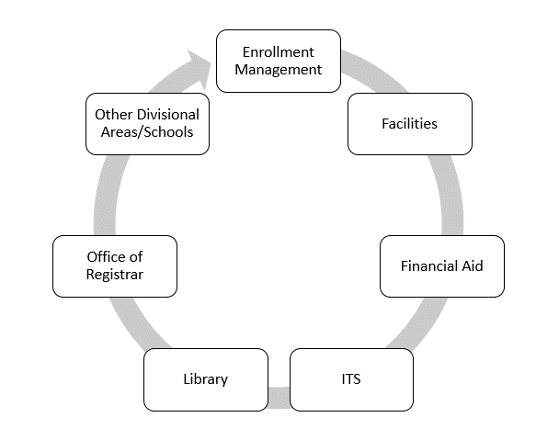

Step 3: Financial Proforma
A 5-year financial projection of enrollment, revenue, and profit margin.
Please note that profitable programs need at least a 50% margin to cover allocated space and overhead costs.
All new programs will require self funding inititaives, including using existing resources to cover new programmatic expenses.

